Explaination
Question and Answers
1 | What's the price of each item? | In order to calculate the price of each item we have divided total sales with unit sold and named it as Item Price. So the formula used to calcuate Item Price is =Average(D2/B2)
2 | What is our total sales? | The total sales is calucalted by using the formula =SUM(D2:D43)
3 | Highlight the items green that cost $300 or more | 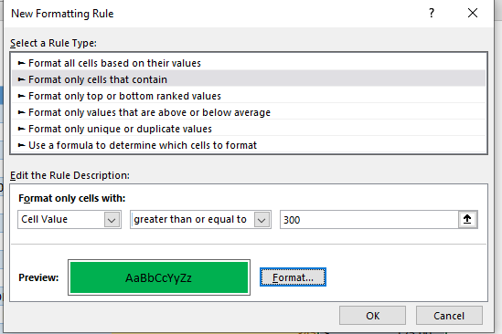 Fisrt select the Unit Price column and then go to conditional formatting option avaliable at Home tab.Now select Highlight Cell rules and choose more rules. After that choose rule the type as "Format only text that Contains" and choose the cell values greater than or equal to 300 and choose the formatting color as green.
4 | What are the 10 least sold items? | 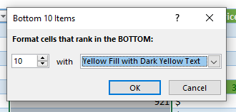 The 10 least sold items can be found by Selecting Unit Sold column and choosing conditional formatting option, then selecting Top/Bottom rules,choose bottom 10 items and select the colour yellow
5 | Setting up the KPI's by using the metrics shown below Red indictaor if sales were $20,000 or more Orange indicator if sales were between $20,000 and $100,00 Green indicator if sales were more than $100,000 | 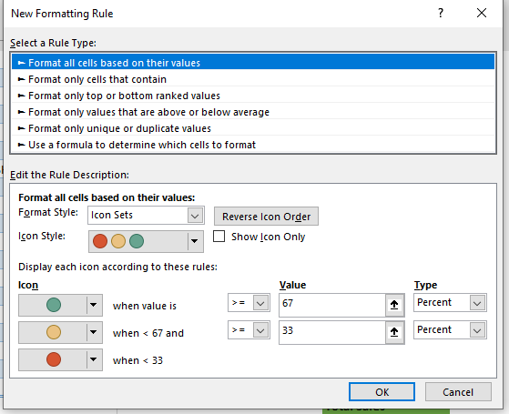 1) Fisrt select the Total sales column - Go to conditional formatting - Select Icon Sets -Click on more rules and choos the suitable options as shown in below figure
6 | Change the following item names to read [your name and student number]-DUVET [your name and student number]-CUP [your name and student number]-DESK LAMP | The given items has been changed to [Kartik Velede and 8672807]- given item name
7 | Insert fullname and student number in the header of the excel document | To insert the student number and fullname in the header .First click on insert - select text - select header and footer option

